NPFA 13 reference
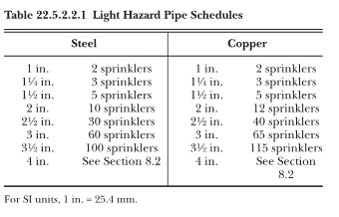
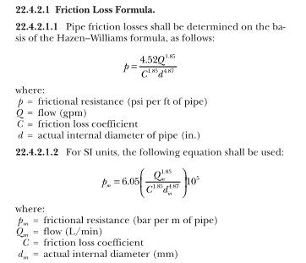

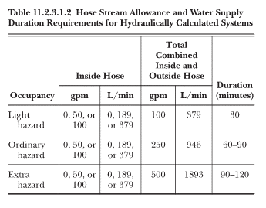

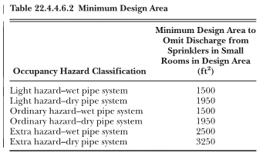

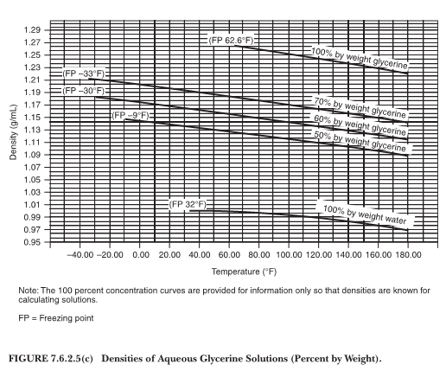

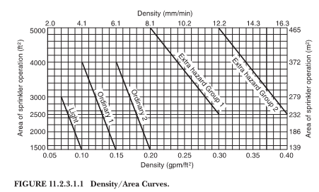

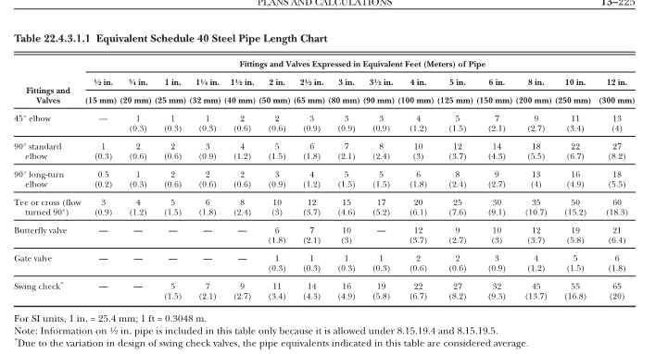
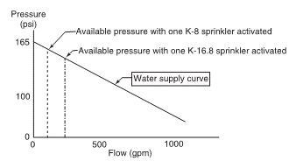
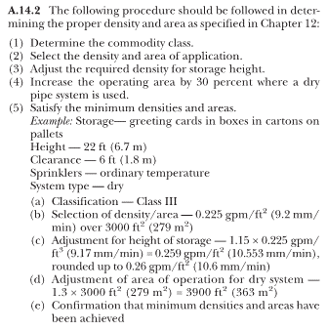

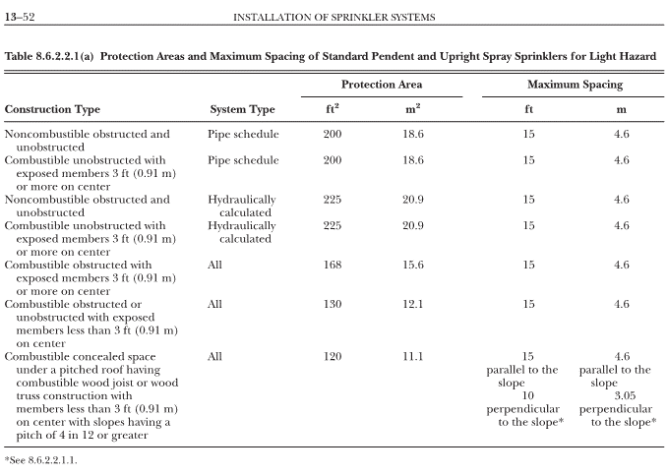
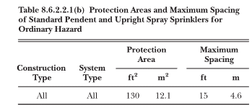

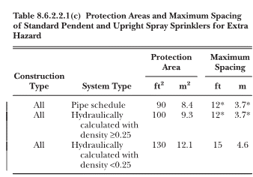

MATERIAL C
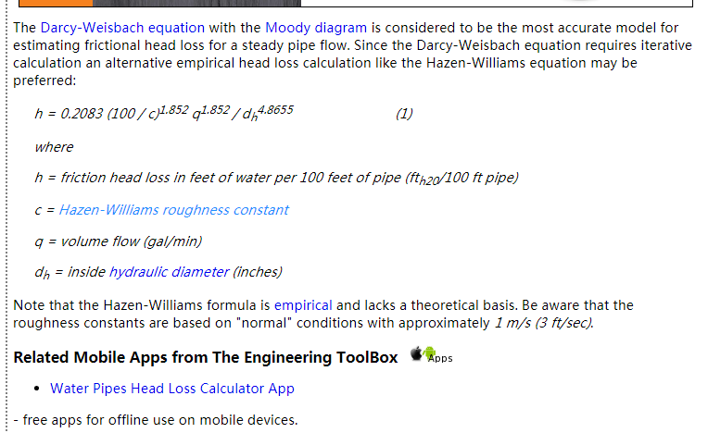
Material | Hazen-Williams Coefficient
 | - c -
ABS - Acrylonite Butadiene Styrene | 130
Aluminum | 130 - 150
Asbestos Cement | 140
Asphalt Lining | 130 - 140
Brass | 130 - 140
Brick sewer | 90 - 100
Cast-Iron - new unlined (CIP) | 130
Cast-Iron 10 years old | 107 - 113
Cast-Iron 20 years old | 89 - 100
Cast-Iron 30 years old | 75 - 90
Cast-Iron 40 years old | 64-83
Cast-Iron, asphalt coated | 100
Cast-Iron, cement lined | 140
Cast-Iron, bituminous lined | 140
Cast-Iron, sea-coated | 120
Cast-Iron, wrought plain | 100
Cement lining | 130 - 140
Concrete | 100 - 140
Concrete lined, steel forms | 140
Concrete lined, wooden forms | 120
Concrete, old | 100 - 110
Copper | 130 - 140
Corrugated Metal | 60
Ductile Iron Pipe (DIP) | 140
Ductile Iron, cement lined | 120
Fiber | 140
Fiber Glass Pipe - FRP | 150
Galvanized iron | 120
Glass | 130
Lead | 130 - 140
Metal Pipes - Very to extremely smooth | 130 - 140
Plastic | 130 - 150
Polyethylene, PE, PEH | 140
Polyvinyl chloride, PVC, CPVC | 150
Smooth Pipes | 140
Steel new unlined | 140 - 150
Steel, corrugated | 60
Steel, welded and seamless | 100
Steel, interior riveted, no projecting rivets | 110
Steel, projecting girth and horizontal rivets | 100
Steel, vitrified, spiral-riveted | 90 - 110
Steel, welded and seamless | 100
Tin | 130
Vitrified Clay | 110
Wrought iron, plain | 100
Wooden or Masonry Pipe - Smooth | 120
Wood Stave | 110 - 120

