Sheet1
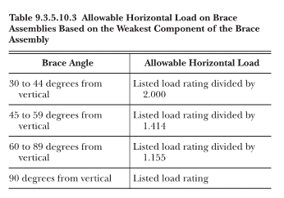
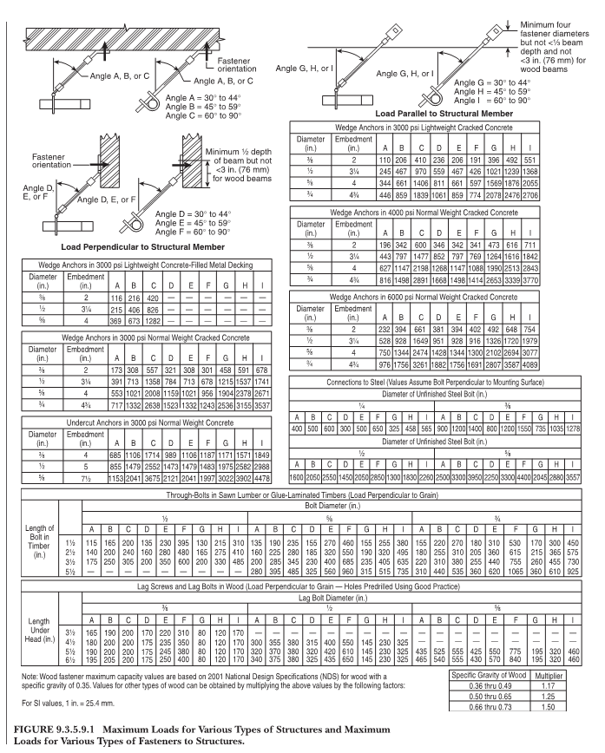
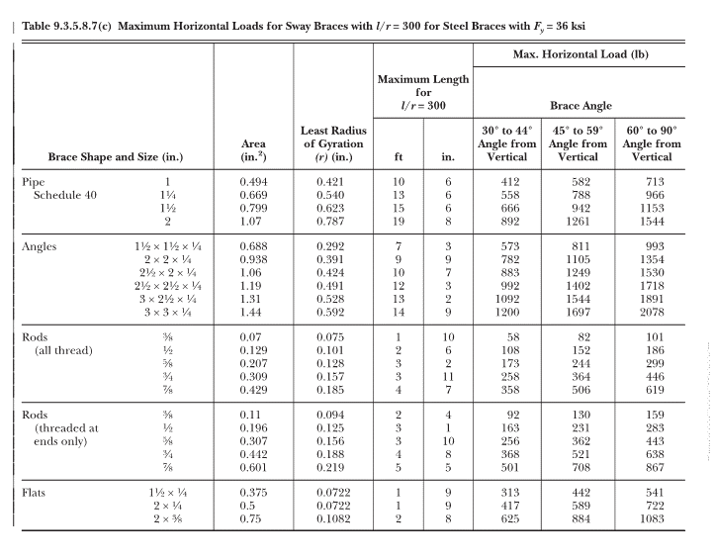
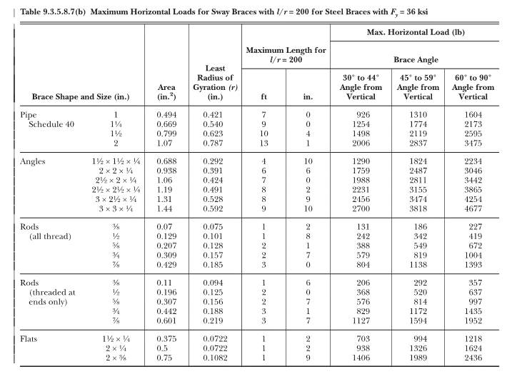
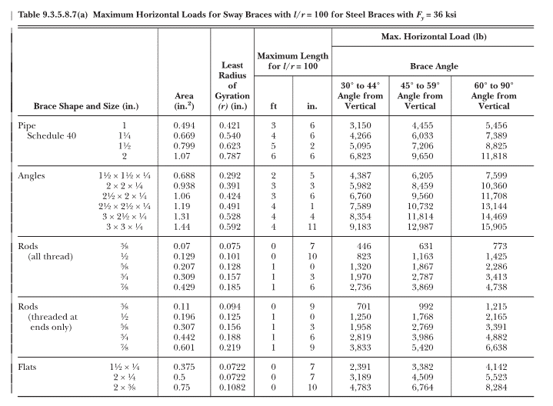
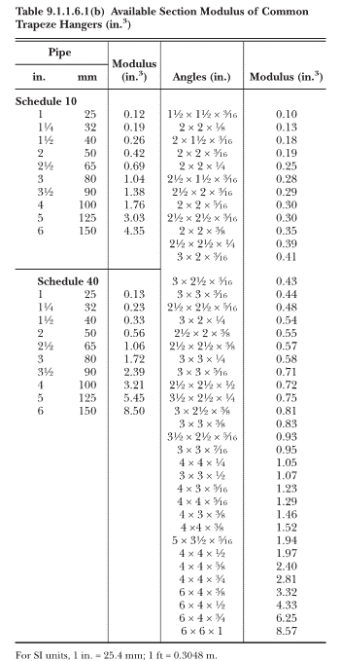
SWAY BRACING CALCAUTION
developped by Xiangyang Tan, P.Eng

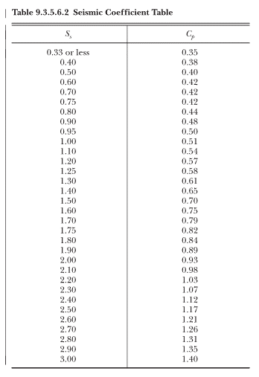
 |  | Location | Vancouver
 | Spectural Acceleration | Ss | 1.5 | g | Vancvouer Ss=0.9, Cp=0.5
 | Adjusted system weight | Cp | 0.7 |  | from Table 9.3.5.6.2

 | Nipple height | Hr | 48 | inch
 | Pipe length | L | 94 | ft
 | Pipe size | Pipe size | 2 | inch
 | Pipe type | Type | Schedule 10
 | Pipe weight | Weight | 4.22 | lb/ft | from Table A9.3.5.6
 | Amplifier factor | A | 15%
 | Pipe Weigth after adjustment | Wp | 456.182 | lb
 | Pipe modulus | S | 0.42 | in^3 | from table 9.1.1.6.1
 | Nipple Strength | F | 36494.56 | PSI
 | Note | F should be less than 30000 for steel pipe, 8000 PSI for CPVC pipe. Otherwise, additional longtigutle sway bracing should be added.

 | Sway Bracing
 | Diameter in | Type | Length ft | Weight lb per ft | Weight lb
 | 6 | Schedule 10 | 21 | 23.03 | 483.63
 | 4 | Schedule 10 | 40 | 11.78 | 471.2

 |  |  |  | Sub total | 954.83
 |  |  |  | Wp(incld 15%) | 1098.0545
 | Total weight considering zone influence |  |  | Fpw=Cp*Wp | 768.63815
 | Note: Fpw should be smaller than maxum load of pipe on Table 9.3.5..3.2
 |  |  |  | Maxium load Fpw | 1900 | from table 9.3.5.3.2

 | Fastner load | 1200 | from Table 9.3.5.9.1
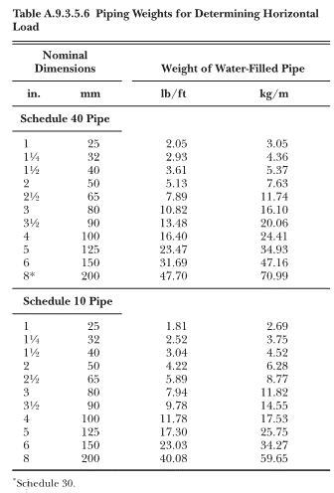
 | Brace attachment | 1744.5887446 | from Table 9.3.5.8.7(a)
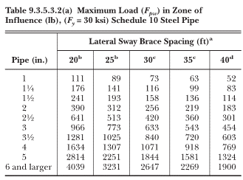
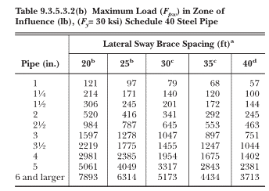
 | Brace

